Analog RC filter
 |  |  |  |  |  | timestep | 1 | nsec | time (sec) | time (nsec) | V
Resistor | 500 |  | 500 | Ohm |  |  | 0.000000001 | sec | 0.00E+00 | 0 | 0.00E+00
Capacitor | 2 | n | 2.00E-09 | Farad |  |  |  |  | 1.00E-09 | 1 | 3.30E-03
 |  |  |  |  |  |  |  |  | 2.00E-09 | 2 | 6.59E-03
 | time constant | 1.00E-06 | sec | 1000 | nsec |  |  |  | 3.00E-09 | 3 | 9.89E-03
 |  |  |  |  |  |  |  |  | 4.00E-09 | 4 | 1.32E-02
 | voltage | 3.3 | V |  |  |  |  |  | 5.00E-09 | 5 | 1.65E-02
 |  |  |  |  |  |  |  |  | 6.00E-09 | 6 | 1.97E-02
 |  |  |  |  |  |  |  |  | 7.00E-09 | 7 | 2.30E-02
 |  |  |  |  |  |  |  |  | 8.00E-09 | 8 | 2.63E-02
 |  |  |  |  |  |  |  |  | 9.00E-09 | 9 | 2.96E-02
 |  |  |  |  |  |  |  |  | 1.00E-08 | 10 | 3.28E-02
 |  |  |  |  |  |  |  |  | 1.10E-08 | 11 | 3.61E-02
 |  |  |  |  |  |  |  |  | 1.20E-08 | 12 | 3.94E-02
 |  |  |  |  |  |  |  |  | 1.30E-08 | 13 | 4.26E-02
 |  |  |  |  |  |  |  |  | 1.40E-08 | 14 | 4.59E-02
 |  |  |  |  |  |  |  |  | 1.50E-08 | 15 | 4.91E-02
 |  |  |  |  |  |  |  |  | 1.60E-08 | 16 | 5.24E-02
 |  |  |  |  |  |  |  |  | 1.70E-08 | 17 | 5.56E-02
 |  |  |  |  |  |  |  |  | 1.80E-08 | 18 | 5.89E-02
 |  |  |  |  |  |  |  |  | 1.90E-08 | 19 | 6.21E-02
 |  |  |  |  |  |  |  |  | 2.00E-08 | 20 | 6.53E-02
 |  |  |  |  |  |  |  |  | 2.10E-08 | 21 | 6.86E-02
 |  |  |  |  |  |  |  |  | 2.20E-08 | 22 | 7.18E-02
 |  |  |  |  |  |  |  |  | 2.30E-08 | 23 | 7.50E-02
 |  |  |  |  |  |  |  |  | 2.40E-08 | 24 | 7.83E-02
 |  |  |  |  |  |  |  |  | 2.50E-08 | 25 | 8.15E-02
 |  |  |  |  |  |  |  |  | 2.60E-08 | 26 | 8.47E-02
 |  |  |  |  |  |  |  |  | 2.70E-08 | 27 | 8.79E-02
 |  |  |  |  |  |  |  |  | 2.80E-08 | 28 | 9.11E-02
 |  |  |  |  |  |  |  |  | 2.90E-08 | 29 | 9.43E-02
 |  |  |  |  |  |  |  |  | 3.00E-08 | 30 | 9.75E-02
 |  |  |  |  |  |  |  |  | 3.10E-08 | 31 | 1.01E-01
 |  |  |  |  |  |  |  |  | 3.20E-08 | 32 | 1.04E-01
 |  |  |  |  |  |  |  |  | 3.30E-08 | 33 | 1.07E-01

Sheet1
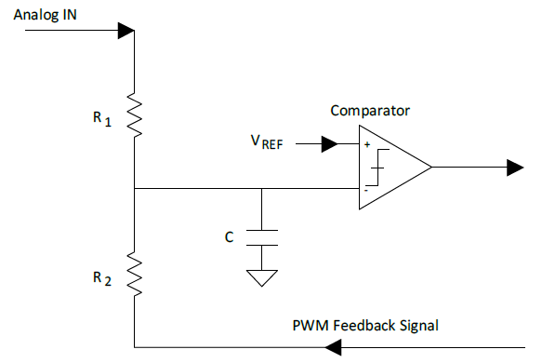
VCCIO | 3.3 | V
R1 | 3300 | ohm
R2 | 3300 | ohm
C | 2 | n | 0.000000002 | Farad

$$\frac{{∆V}_{IN}}{V_{CCIO}}=\frac{R_{1}}{R_{2}}$$
$${∆V}_{IN}=\left(V_{INMAX}−V_{INMIN}\right)$$
VinMAX | 3.3 | V
VinMIN | 0 | V
ΔVIN | 3.3 | V
$$V_{REF}=\frac{V_{INMAX}∗R_{2}}{R_{1}+R_{2}}$$
R1/R2 | 1
Vref | 1.65 | V

Tc | 6.60E-06 | sec | 6600 | nsec
osmax | 3.03E+07 | Hz | 30.303030303 | Mhz
osmin | 1.52E+08 | Hz | 151.51515152 | Mhz

